Denials
DENIAL ACTIVITY SUMMARY*
Attachment 3

DENIAL FLASH REPORT
 | Feb | Feb | Fav/Unfav Variance |  |  | YTD | YTD | Fav/Unfav Variance
 | 2016 | 2017 | Amount |  | % | Feb-17 | Feb-17 | Amt | %
Recoveries**
Final denials***
Initial denials as a % of patient days-Based on date of service****
All cases pending*****

**Recoveries represent appeals won during the time period, regardless of date of service
***Final denials are appeals lost during the time period, regardless of date of service
****Initial denials as % of patient days--the date of denial and date of service are within the same time period
*****Cases pending are all cases for which a final determination has not been received

INITIAL DENIALS BY REASON, BASED ON DATE DENIAL RECEIVED
 | Month 2016 | Month 2017 | Amount $$ |  | % | YTD 2016 | YTD 2017 | Amount $$ | %
Continued stay
Medical necessity
Precert
Level of care reduction
Delay in service
Self denial, 2 midnight rule (Medicare)
Condition code 44 (Medicare)
Provider liable (Medicare)
Other
Total

*This section represents denials received during the time period regardless of date of service. Therefore, activity described in the Denial Activity Summary Section does not directly correlate to the totals in this section.

DENIAL SUMMARY
 | $ | %
All denials received
All cases recovered on appeal
All cases lost on appeal
Open cases (currently in appeal)

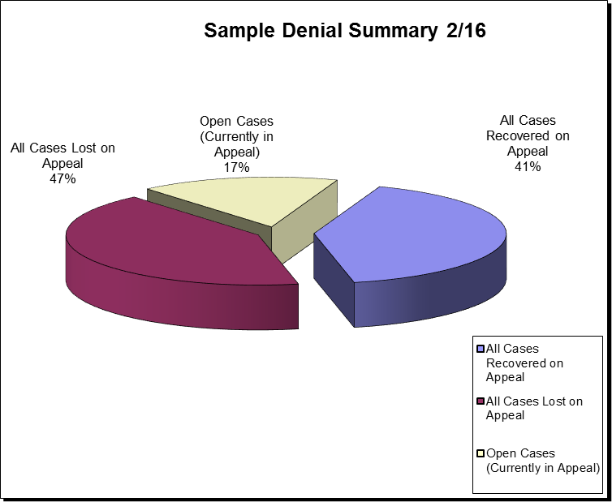

RECOVERY RATE FOR CASES CLOSED
 | Q1 16 |  | Q2 16 |  |  | Q3 16 |  | Q4 16
 | $ | % | $ |  | % | $ | % | $ | %
Cases closed
Recoveries
Final denials

INITIAL DENIALS RECEIVED: DAYS
 | Q3 16 | Q4 16 | TOTAL 2016 | % TOTAL | Q1 17 | Apr-17 | May-17 | Jun-17 | YTD 17 | % TOTAL
Continued stay
Medical necessity
Precert
Level of care reduction
Delay in service
Self denial, 2 midnight rule (Medicare)
Condition code 44 (Medicare)
Provider liable (Medicare)
Other
Total

